sprint1-3
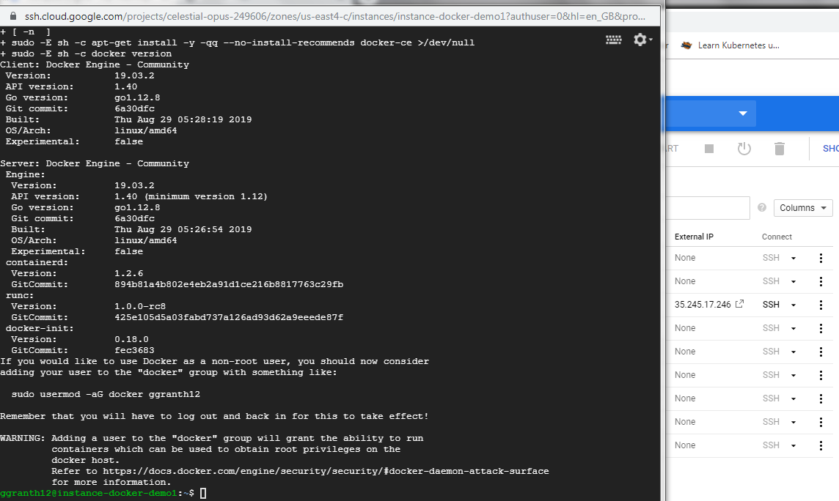
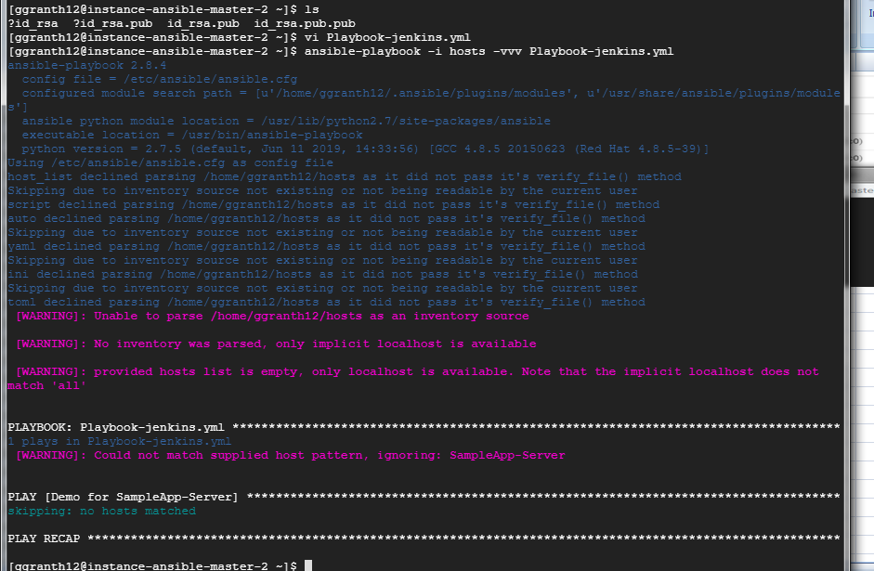
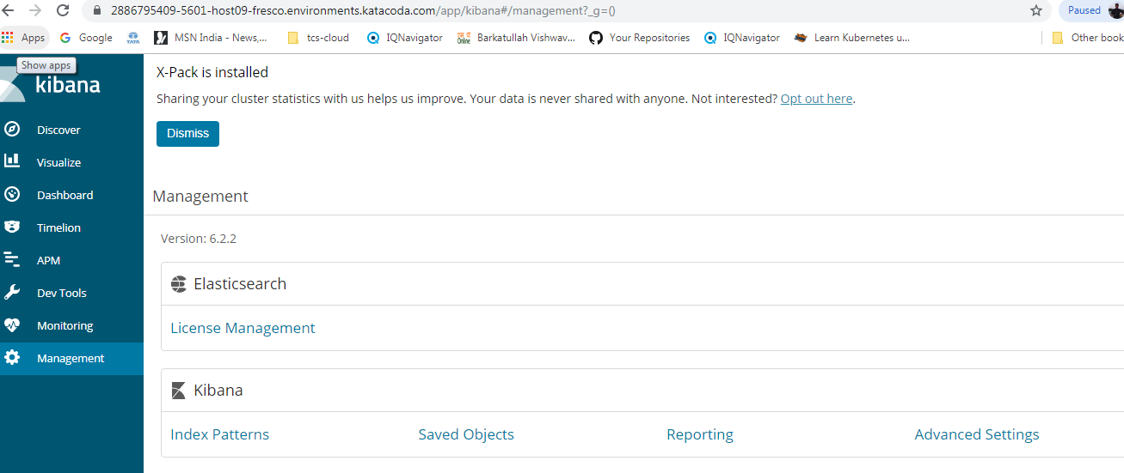
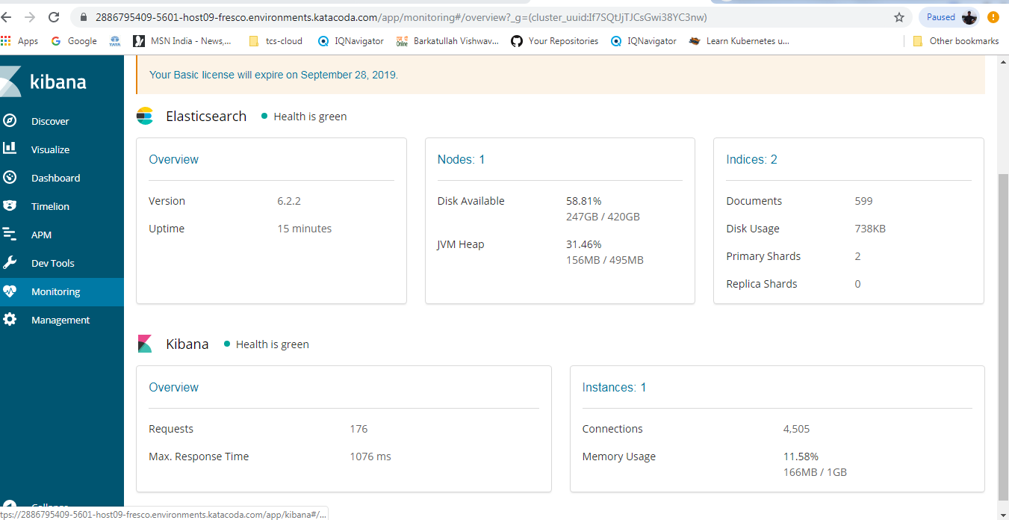
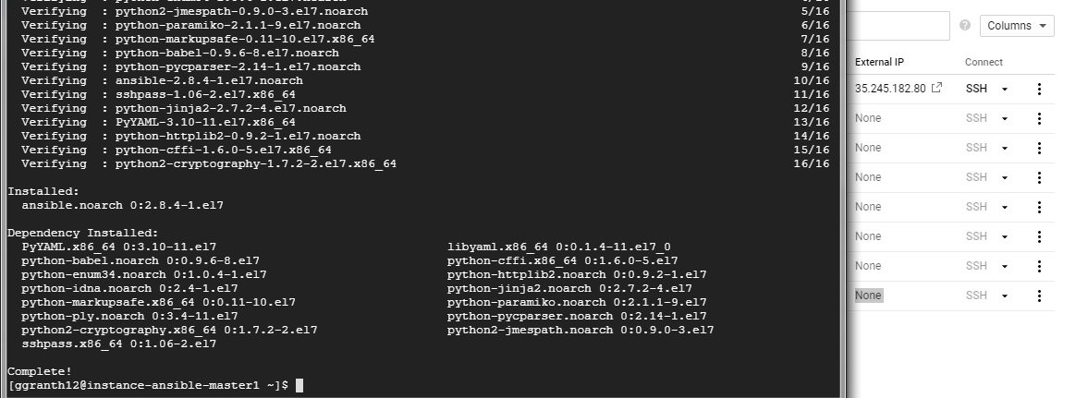
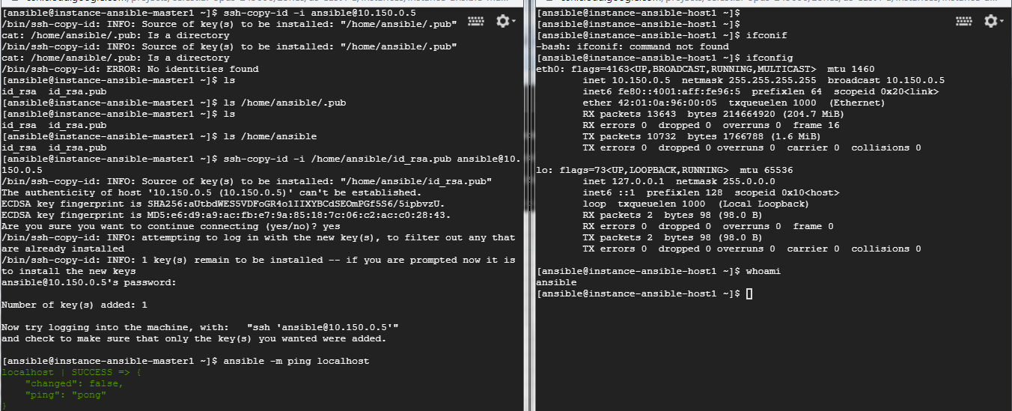
Assignment - Week 1
 | Create a GCP Account

 | Create GitHub account and fork the project under RAMKIDEVOPS account

 | Create 3 instances with Ubuntu 16.04 in GCP

 | Setup Git

 | Setup Jenkins and Maven in 2nd instance

 |  | Setup Tomcat server (any version is fine) in 3rd version

Assignment - Week 2 |  | Perform automated deployment with Ansible and integrate the automated Build with SonarQube

sprint -4pipeline-git
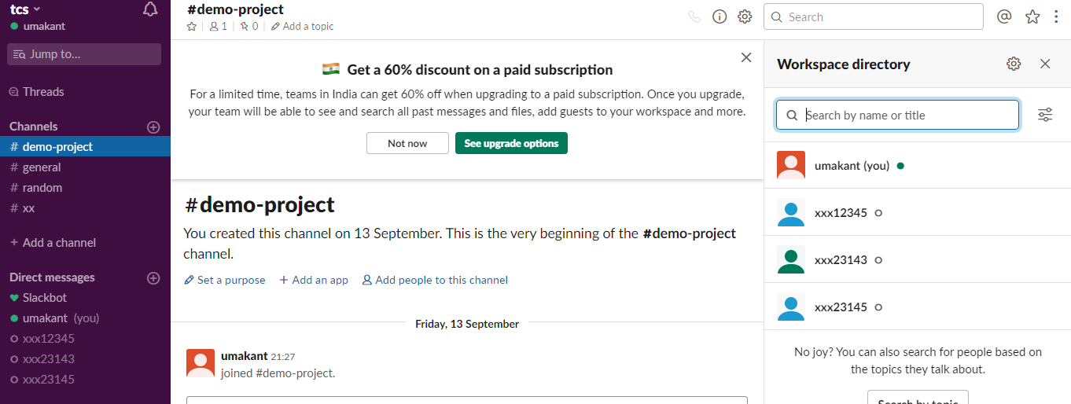
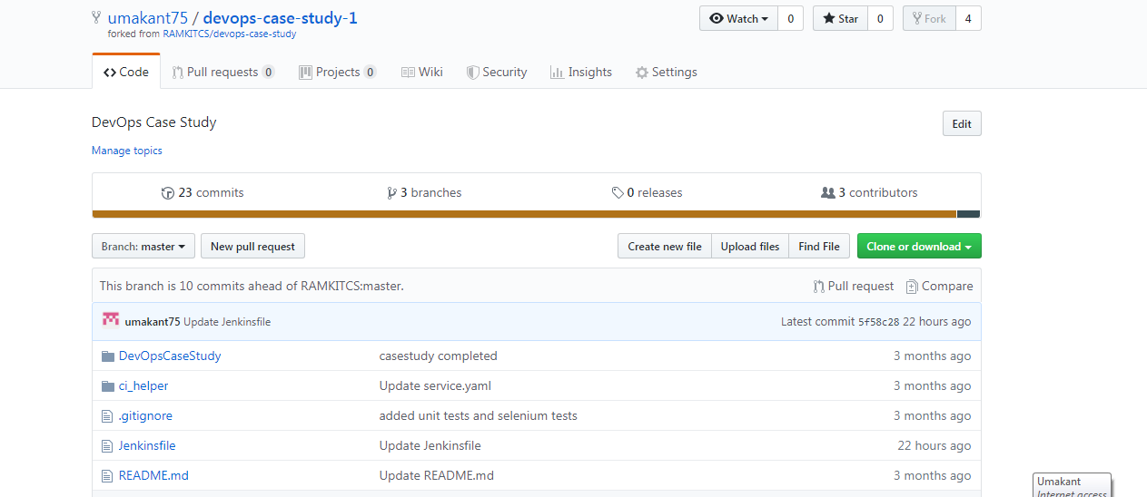

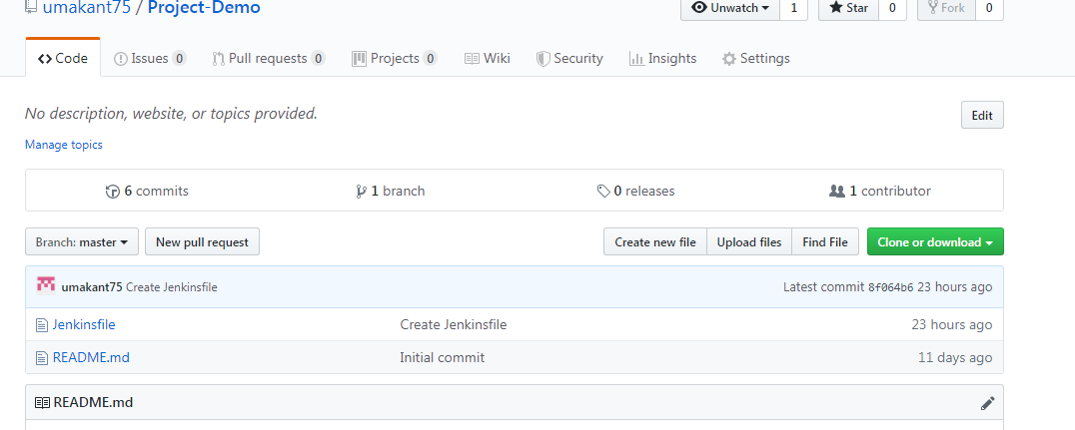

create Floder

Email Notification - slack

sprint-4-Kubernetes
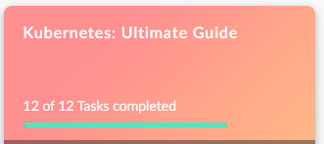
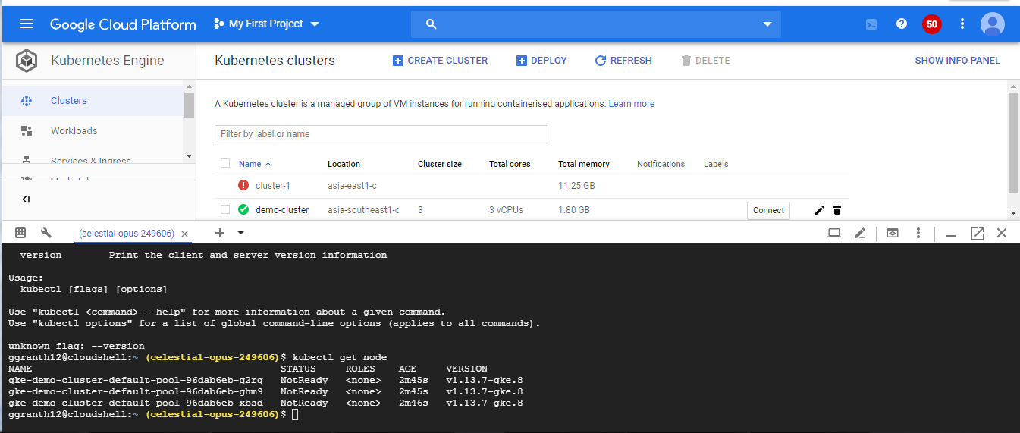

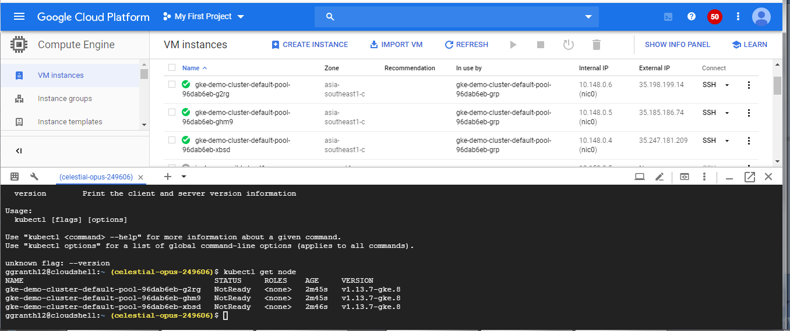

https://docs.bitnami.com/google/get-started-gke/

Kubernetes hands0- on I have done on fresco-Play as well GCP also .

Sprint-4 Docker
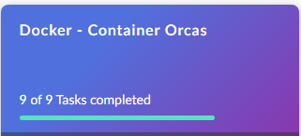
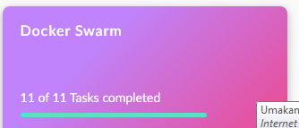
Docker Instance

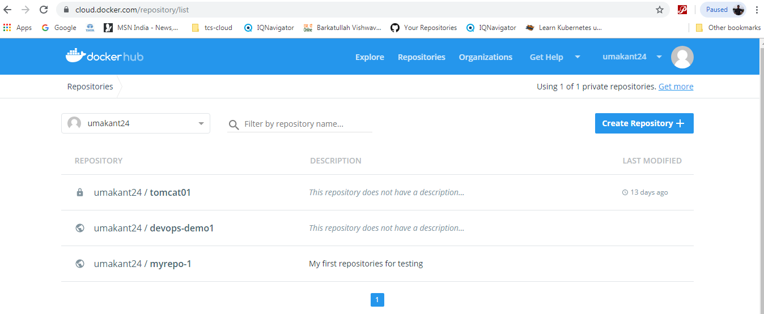

Note that I have executed all the docker command on GCP- docker instancse and docker file and docker advance command upload on my github account also.

sprint4-5ELK screenshots
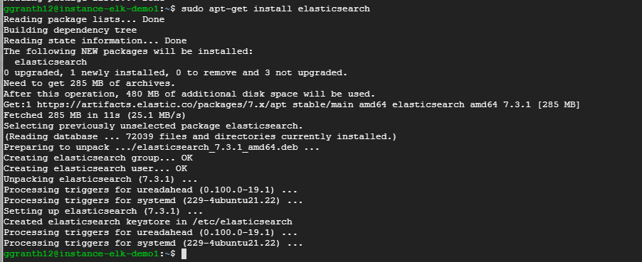
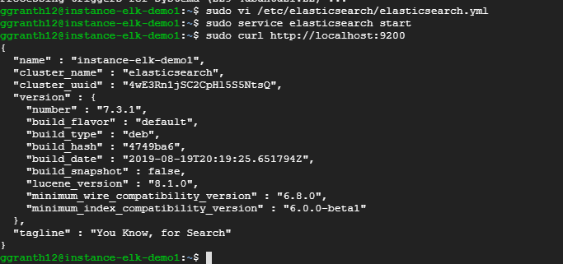
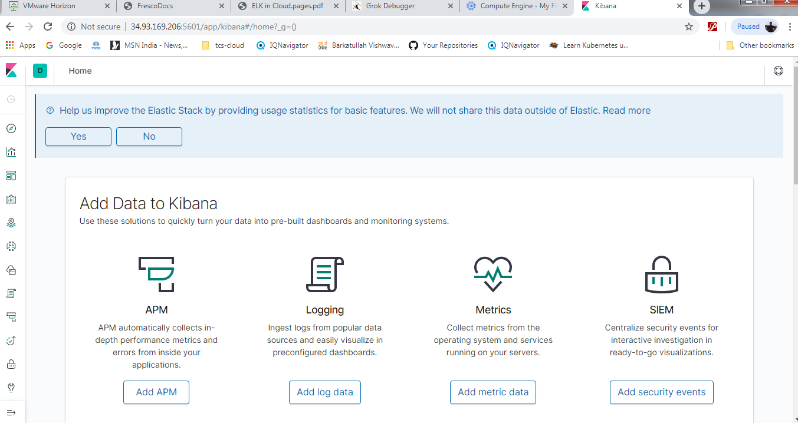
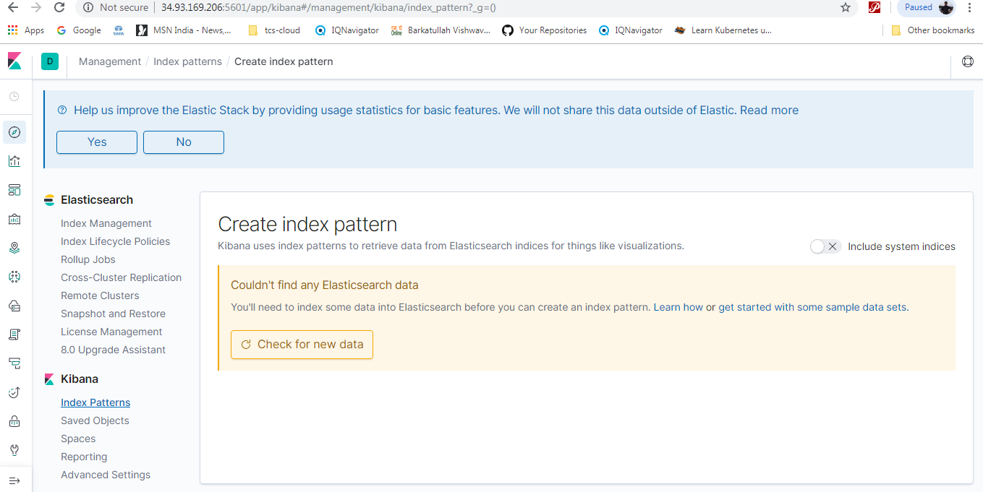
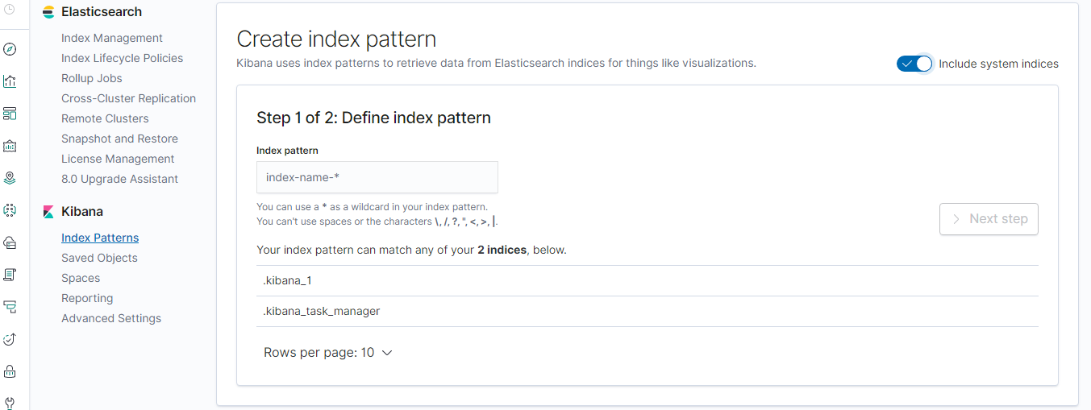
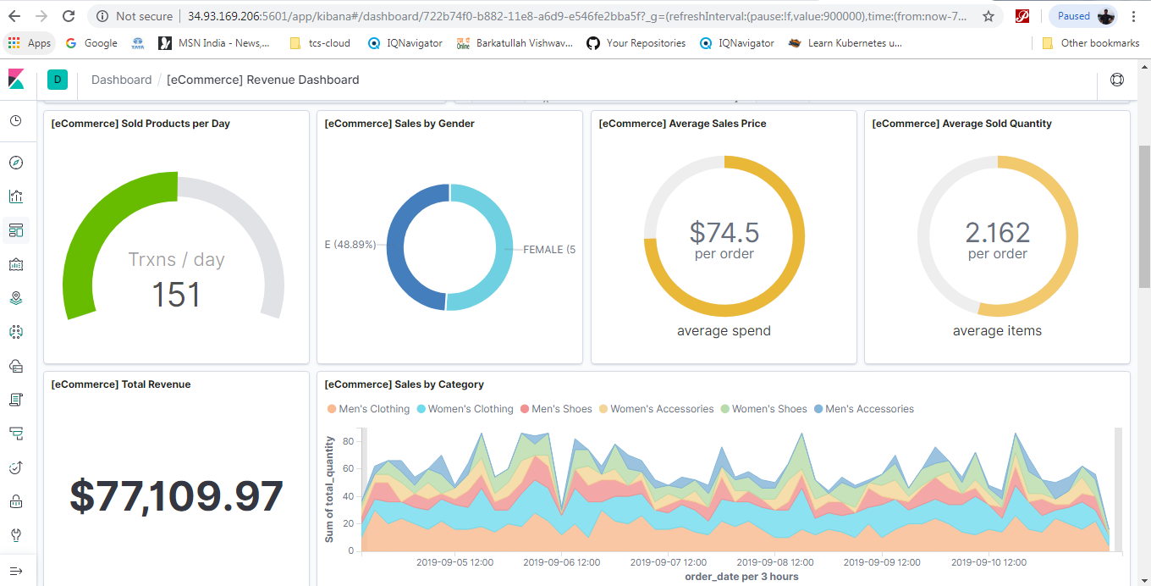
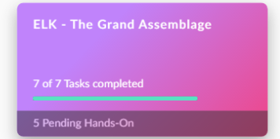
Verify that Java is installed:

ansiplaybook-advance
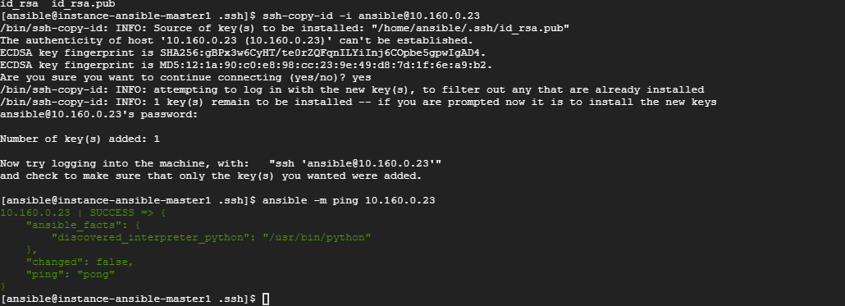

sprint4-docker-deep
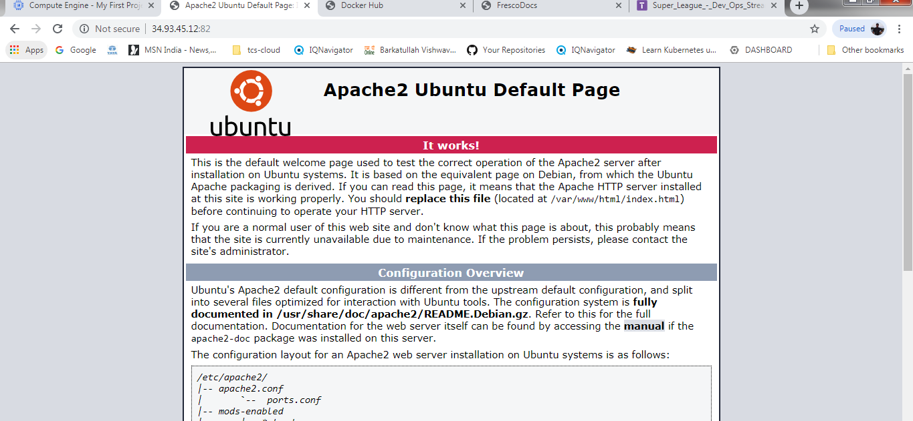
sudo apt update
sudo apt install apt-transport-https ca-certificates curl software-properties-common
curl -fsSL https://download.docker.com/linux/ubuntu/gpg | sudo apt-key add -
sudo add-apt-repository "deb [arch=amd64] https://download.docker.com/linux/ubuntu bionic stable"
sudo apt update

Make sure you are going to install Docker from official Docker repo.
sudo apt-cache policy docker-ce

Now docker-ce is not installed and the installation candidate is from the official repository.
sudo apt install docker-ce

Last login: Fri Oct 4 03:04:32 2019 from 74.125.41.100ggranth12@instance-docker-deep-1:~$ docker versionClient: Docker Engine - Community Version: 19.03.2 API version: 1.40 Go version: go1.12.8 Git commit: 6a30dfc Built: Thu Aug 29 05:29:11 2019 OS/Arch: linux/amd64 Experimental: falseServer: Docker Engine - Community Engine: Version: 19.03.2 API version: 1.40 (minimum version 1.12) Go version: go1.12.8 Git commit: 6a30dfc Built: Thu Aug 29 05:27:45 2019 OS/Arch: linux/amd64 Experimental: false containerd: Version: 1.2.6 GitCommit: 894b81a4b802e4eb2a91d1ce216b8817763c29fb runc: Version: 1.0.0-rc8 GitCommit: 425e105d5a03fabd737a126ad93d62a9eeede87f docker-init: Version: 0.18.0 GitCommit: fec3683ggranth12@instance-docker-deep-1:~$
Run Docker Command Without Sudo whoami
sudo usermod -aG docker ggranth12
exit

ggranth12@instance-docker-deep-1:~$ docker run hello-world

ggranth12@instance-docker-deep-1:~$ docker run -it -d fce289e99eb9
0eafc467f3ccb5ff9e4ab1e1f8778425d5197f0c086bfe74dc9f7d815658f918
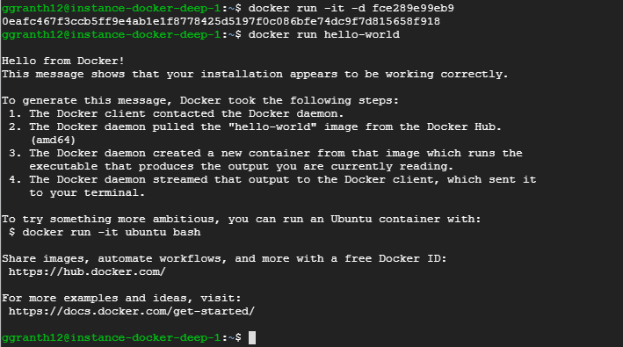

apt-get install apache2

